Formulae
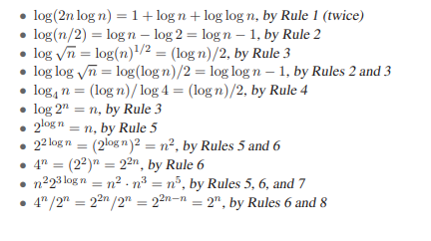
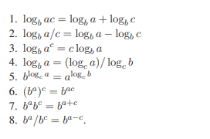
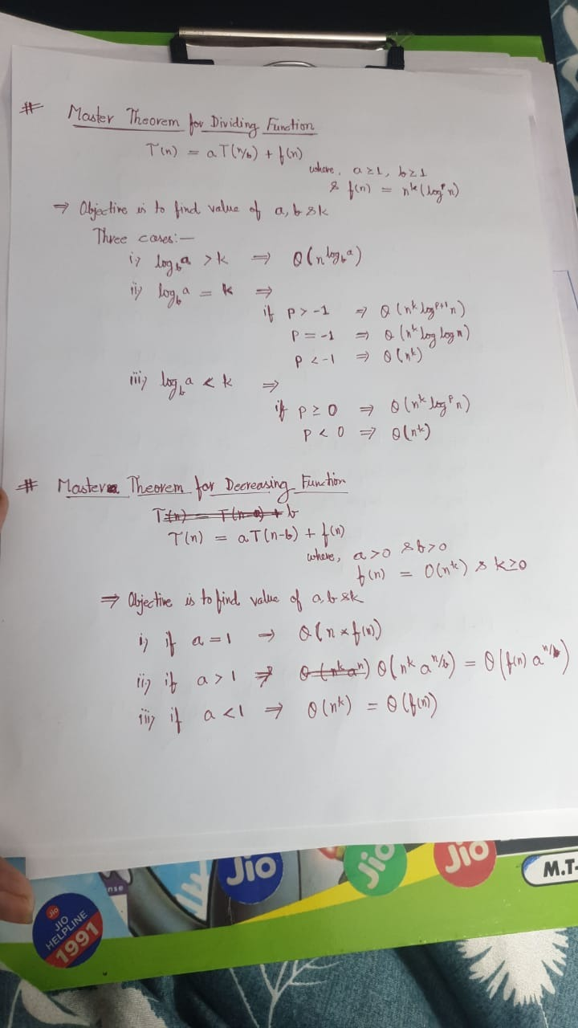
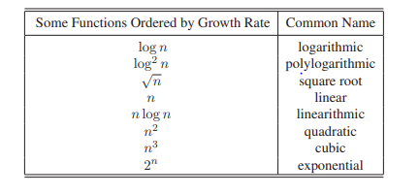
 | Master's Theorem for Decreasing fn.
1+a+a2+a3+a4….....an-1+an = (1-an+1)/1-a (Geometric Progression) | T(n) = aT(n-b)+f(n), where a > 0, b >0 , f(n) = O(nk), k>=0
1+2+3+…....+(n-1)+n = (n(n+1))/2
logb a = c if a = bc .
 | Master's Theorem for Dividing fn.
 | T(n) = aT(n/b)+f(n), where a > 0, b >0 , f(n) = O(nk), k>=0

Examples

